Checklist
* fill in name of agency on 'application' tab * |  | ESG Program Year 2026-27 Application Information | * Please note that an incomplete application including missing signatures will not be reviewed.*
 |  | Checklist
 |  | 0 | The application has cells that are protected. Follow the printscreen below to unprotect the tabs as needed.
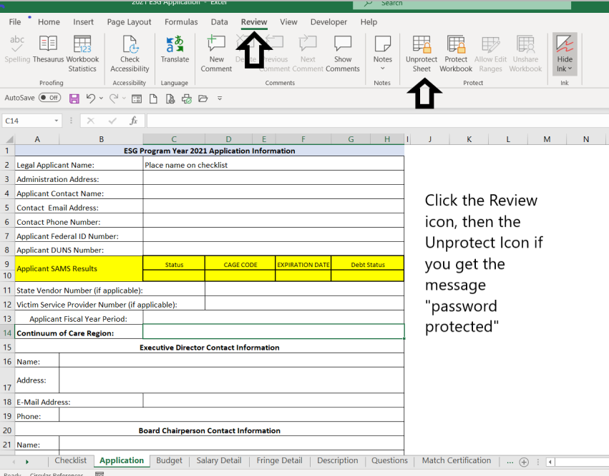
 |  | Checklist
 |  | Application Information (all arears must be completed)
 |  | Salary detail
 |  | Fringe detail
 |  | Budget
 |  | Questions with completed answers for each question.
 |  | Match certification
 |  | Combined Certifications/ Unit of general purpose local government.
 |  | Audit and Financial Statements
 |  | Most recent financial statement, single audit report ,or audit (as applicable)
 |  | Fiscal Policy and Procedures
 |  | Procurement Policy and Procedures
 |  | Program Policy and Procedures
 |  | Human Resource Policy and Procedures
 |  | Board By-laws
 |  | Conflict of Interest for Board Policy and Procedures
 |  | Conflict of Interest for Employees Policy and Procedures
 |  | Code of Conduct for Board Policy and Procdures
 |  | Code of Conduct for Employees Policy and Procedures
 |  | COC policy and procedures (applicable only to agencies that are the COC seat for their region)
 |  | Other policy and procedures not otherwise listed ______________________________
 |  | Organizational Chart including any vacancies
 |  | Board of Directors roster including any vacancies
 |  | Federally negotiated indirect cost rate agreement, if applicable
 |  | If requesting to charge the de minimis rate, provide your entities calculation of Modified Total Direct Cost.
 |  | Letter of commitment from the Board of Directors
 |  | COC endorsement (must be provided directly from COC to OEO)
 |  | IRS Federal 501(c)(3) tax exempt letter registered to do business in South Carolina
 |  | Nonprofit registration letter from the South Carolina Secretary of State confirming active registration;
 |  | Copies of inspections required by local county/city government in order to operate a shelter. This would apply to any applicant that will use ESG program funds to operate a physical shelter.* Note that each shelter is required to pass the ESG minimum habitability standards for emergency shelters as provided by HUD.

 | List Additional Support Documentation Provided:

